Sheet1
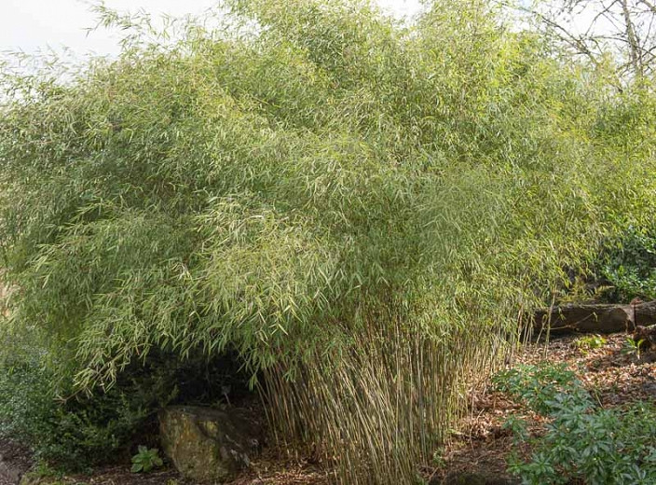
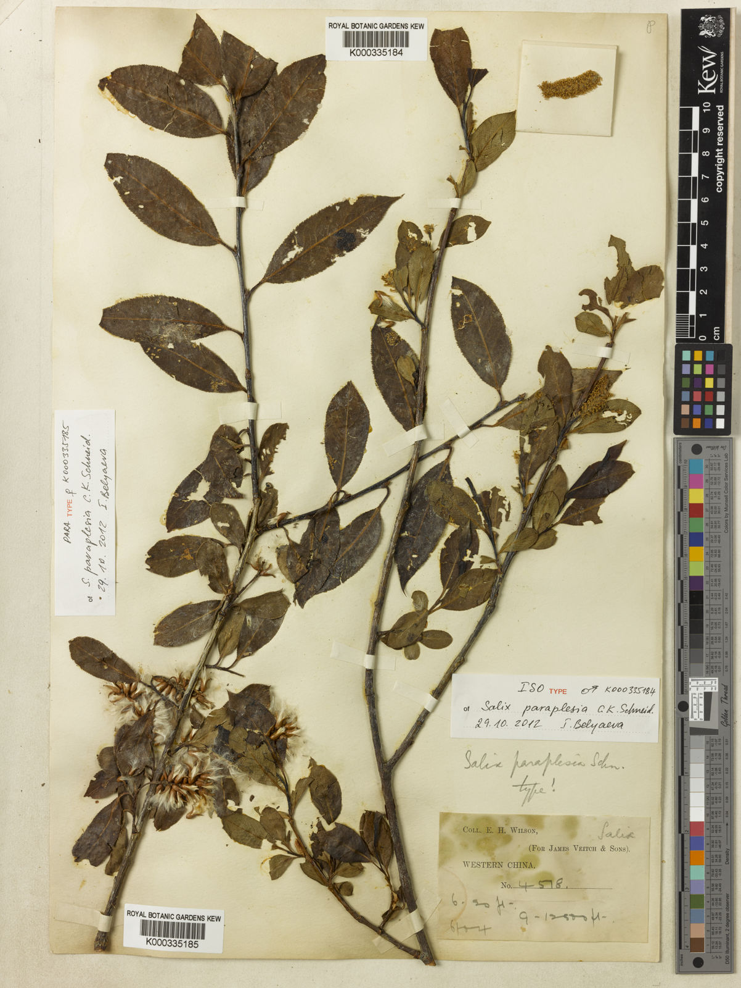
Initial Quality of the Foliar Litter
Species | C (g kg−1) | N (g kg−1) | P (g kg−1) | C/N | C/P | N/P | Lignin (%) | Cellulose (%) | Lignin/Cellulose | Lignin/N | MAT C | MAP mm
Fargesia nitida | 317.71a ± 16.60 | 9.02b ± 0.12 | 0.94b ± 0.07 | 35.23a ± 1.38 | 339.80a ± 9.11 | 9.66b ± 0.64 | 14.79b ± 0.62 | 12.97a ± 0.48 | 1.14b ± 0.00 | 16.40a ± 0.47 | 3 | 850
Salix paraplesia | 371.89a ± 31.55 | 14.33a ± 0.26 | 1.28a ± 0.06 | 25.93b ± 1.74 | 290.72b ± 10.31 | 11.23a ± 0.36 | 21.79a ± 1.02 | 10.60b ± 1.04 | 2.06a ± 1.11 | 15.20b ± 0.44

C fraction in lignin | 0.600
 | mass loss % of initial | LC_g_FN | LbyC_FN | C_g_SP | LC_g_SP
0 | 100 | 100 |  | 100 | 100
58 | 91.5578 | 96.6667 |  | 95.9391 | 96.6497
128 | 89.1457 | 94.5455 |  | 89.0355 | 90.8629
175 | 85.9296 | 94.2424 |  | 87.4112 | 96.0406
297 | 76.6834 | 88.7879 |  | 76.8528 | 92.6904
378 | 69.4472 | 76.3636 |  | 67.9188 | 90.2538
427 | 66.6332 | 69.0909 |  | 64.6701 | 82.9442
498 | 64.6231 | 72.4242 |  | 59.797 | 78.9848
550 | 63.4171 | 70.9091 |  | 58.1726 | 76.2437
669 | 57.7889 | 65.7576 |  | 49.6447 | 65.8883
734 | 55.7789 | 65.4545 |  | 45.1777 | 61.3198
Closed canopy data | Fargesia nitida |  |  | Salix paraplesia
day | mass loss % of initial
0 | 100 | 100 |  | 100 | 100
58 | 91.5578 | 96.6667 |  | 95.9391 | 96.6497
128 | 89.1457 | 94.5455 |  | 89.0355 | 90.8629
175 | 85.9296 | 94.2424 |  | 87.4112 | 96.0406
297 | 76.6834 | 88.7879 |  | 76.8528 | 92.6904
378 | 69.4472 | 76.3636 |  | 67.9188 | 90.2538
427 | 66.6332 | 69.0909 |  | 64.6701 | 82.9442
Fargesia nitida
Salix paraplesia
498 | 64.6231 | 72.4242 |  | 59.797 | 78.9848
550 | 63.4171 | 70.9091 |  | 58.1726 | 76.2437
669 | 57.7889 | 65.7576 |  | 49.6447 | 65.8883
734 | 55.7789 | 65.4545 |  | 45.1777 | 61.3198
day | C_g_FN | LC_g_FN | LbyC_FN | C_g_SP | LC_g_SP | LbyC_FN |  | C_g_FN
0 | 0.31771 | 0.08874 | 0.27931132165 | 0.37189 | 0.13074 | 0.35155556751
58 | 0.29088828638 | 0.08578202958 | 0.29489681639 | 0.35678791899 | 0.12635981778 | 0.35415946296
128 | 0.28322480347 | 0.0838996767 | 0.29622997588 | 0.33111412095 | 0.11879415546 | 0.35877103374
175 | 0.27300693216 | 0.08363070576 | 0.306331803 | 0.32507351168 | 0.12556348044 | 0.38626180211
297 | 0.24363083014 | 0.07879038246 | 0.32340070596 | 0.28580787792 | 0.12118342896 | 0.42400310951
378 | 0.22064069912 | 0.06776505864 | 0.30712855294 | 0.25258322532 | 0.11799781812 | 0.46716411183
427 | 0.21170033972 | 0.06131126466 | 0.28961344484 | 0.24050163489 | 0.10844124708 | 0.45089609112
498 | 0.20531405101 | 0.06426923508 | 0.31302891723 | 0.2223790633 | 0.10326472752 | 0.46436353309
550 | 0.20148246841 | 0.06292473534 | 0.31230873751 | 0.21633808214 | 0.09968101338 | 0.46076498596
669 | 0.18360111419 | 0.05835329424 | 0.31782647125 | 0.18462367483 | 0.08614236342 | 0.46658351644
734 | 0.17721514319 | 0.0580843233 | 0.32776162496 | 0.16801134853 | 0.08016950652 | 0.47716721056

Fargesia nitida |  |  |  | Salix paraplesia

